Sheet1
APO Cable Ladder |  | Material | HDG | SIRIM-NEMA VE1-2009.pdf
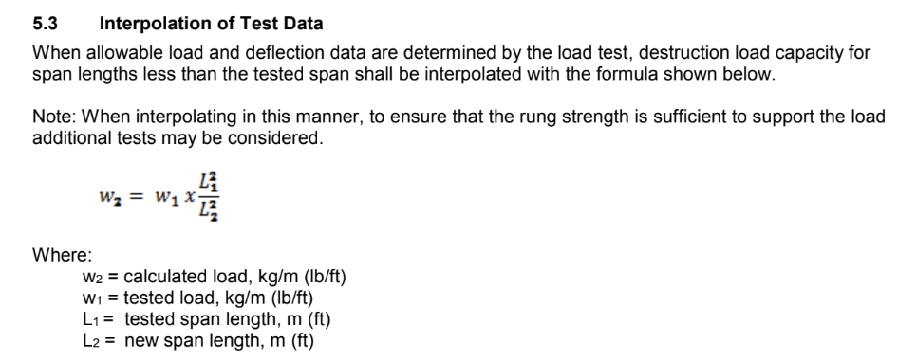
Width | Support Spacing | Thickness | SWL (kg/m) | SWL x 1.5 (kg/m) | Deflection @ SWL (mm) | Destructive Load (kg/m) | Load Classification
600 | 6000 | 2 | 135 | 203 | 46 | 204 | NEMA 20B

Cable Ladder | Loading Depth (mm) | SWL 3m (kg/m) | SWL 4.5m (kg/m) | SWL 6m (kg/m) | Available Lengths (m) | Material Thickness (mm) | NEMA Load Rating
APO100 | 75 | 192 | 85 | 48 | 3 and 6 | 1.5 and 2 | NEMA 20AA
APO125 | 100 | 416 | 185 | 104 | 3 and 6 | 1.5 and 2 | NEMA 20A
APO150 | 125 | 540 | 240 | 135 | 3 and 6 | 1.5 and 2 | NEMA 20B

AML Cable Ladder |  | Material | HDG

Cable Ladder | Loading Depth (mm) | SWL 3m (kg/m) | SWL 4.5m (kg/m) | SWL 6m (kg/m) | Available Lengths (m) | Material Thickness (mm) | NEMA Load Rating
AML100 | 75 | 192 | 85 | 48 | 3 and 6 | 1.5 and 2 | NEMA 20AA
AML125 | 100 | 480 | 213 | 120 | 3 and 6 | 1.5 and 2 | NEMA 20B
AML150 | 125 | 468 | 208 | 117 | 3 and 6 | 1.5 and 2 | NEMA 20B

ACD Cable Ladder |  | Tested in accordance to IEC61537 |  |  | 2018MA0594-ACD-IEC61537.pdf
Material | HDG
Cable Ladder | Loading Depth (mm) | SWL 3m (kg/m) | SWL 4.5m (kg/m) | SWL 6m (kg/m) | Available Lengths (m) | Material Thickness (mm) | NEMA Load Rating
ACD100 | 75 | 239.2 | 106 | 59.8 | 3 and 6 | 1.5 and 2 | NEMA 20AA | Tested to 1.5mm
ACD125 | 100 | 560.4 | 249 | 140.1 | 3 and 6 | 1.5 and 2 | NEMA 20B
ACD150 | 125 | 578.8 | 257.2444444 | 144.7 | 3 and 6 | 1.5 and 2 | NEMA 20B

ART AMT Cable Tray |  | Material | HDG

Cable Ladder | Loading Depth (mm) | SWL 1.5m (kg/m) | SWL 2m (kg/m) | SWL 3m (kg/m) | Available Lengths (m) | Material Thickness (mm) | NEMA Load Rating
ART50 | 50 | 484 | 272 | 121 | 3 and 6 | 1.5 and 2 | NEMA 20AA
AMT100 | 100 | 716 | 403 | 179 | 3 and 6 | 1.5 and 2 | NEMA 20B
 |  |  |  |  | 3 and 6 | 1.5 and 2 | NEMA 20B

ASA Aluminium Ladder

